Sheet1
 |  | Document No. | Issue No. | Issue Date |  | Review and Replace Date |  | Authorised By
 |  | GFF014MC | 2 | 08.04.2022 |  | 12.07.2023
 |  | Document Title | GC- 10 Vegetable Spring Roll | 850G
 |  |  |  |  |  |  |  | Magda Shah
Document amendments reason for change |  | Packaging changed (tray & flim)and put labels in high risk if they packed the product on GTR machine. | Page 1 of 1 |  | Previous Issue Date |  | 08.04.2022 | Uncontrolled copy unless signed original

CVSRL-B10T | Gazebo (BULK-SNACKS) |  | GC- 10 Vegetable Spring Roll | 850G X 1
STEP 1 |  |  |  |  | STEP 2
 |  |  |  |  | 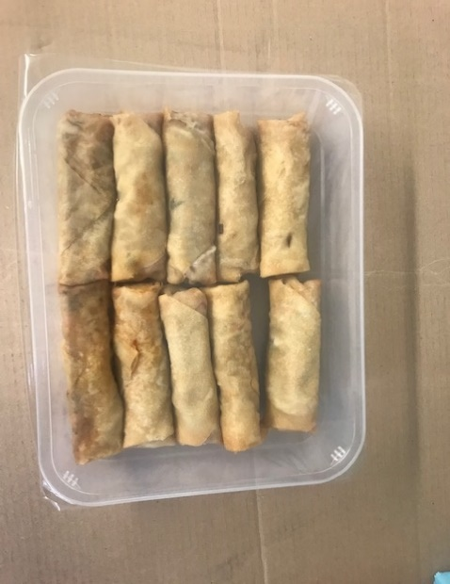

Tray: HW308/60 open ECO tray- (PKLEE001-09) |  |  |  |  | Vegetable Spring Roll (GFF114R): 85g (1X10 Units) - 850g
Film: K Peel RPSM 25µm (340mmX1000lm)-(PKKMP001-05)
STEP 3
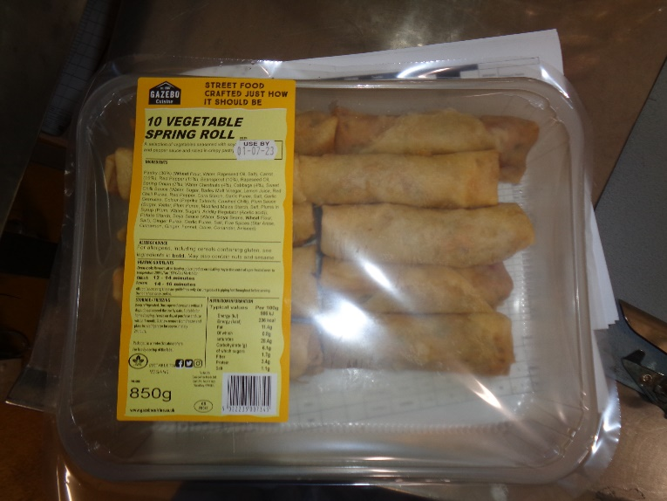 |  |  | 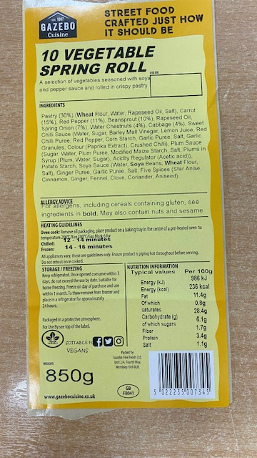 

Label:10 Vegetable Spring Roll-Barcode: 7345
TOTAL WEIGHT: 850g

ALLERGY ALERT: WHEAT,SOYA

